Sheet1
Participant | Environmental Concern | Priming | Product Choice
1 | 45 | 0 | 4
2 | 64 | 1 | 9
3 | 54 | 1 | 9
4 | 61 | 1 | 9
5 | 66 | 1 | 8
6 | 61 | 0 | 5
7 | 59 | 0 | 4
8 | 67 | 0 | 5
9 | 64 | 0 | 6
10 | 62 | 1 | 8
11 | 62 | 1 | 9
12 | 72 | 1 | 9
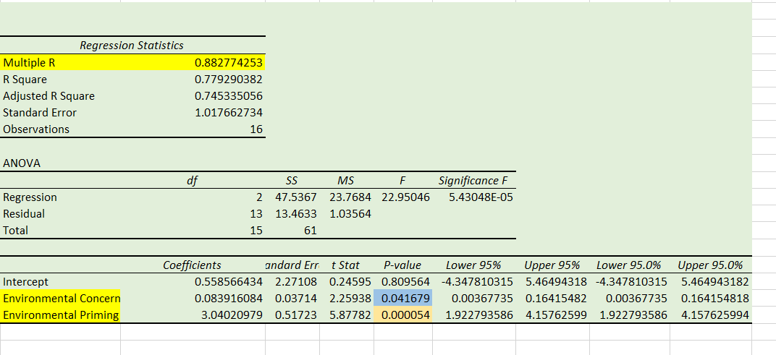
13 | 62 | 1 | 9
14 | 74 | 0 | 8
15 | 62 | 1 | 9
16 | 51 | 0 | 5

Priming | Product Choice
0 | 4
0 | 5
0 | 4
0 | 5 |  | Neutral | 5.625
0 | 6 |  | Environmental | 8.875
0 | 8
0 | 8
0 | 5
1 | 9
1 | 9
1 | 9
1 | 8
1 | 9
1 | 9
1 | 9
1 | 9

effect of priming
Neutral | 5.625
Environmental | 8.875

